Savings
Manual Review- Yearly basis |  |  | Digital review using CellaVision-Yearly basis

Time spent on manual review | 485 | Hours | Time spent on digital review | 243 | Hours
Time spent on retrieving slides and perfom diff | 61 | Hours | Time spent on retrieving slides and perfom diff | 12 | Hours
Time spent on second review | 61 | Hours | Time spent on second review | 12 | Hours
Time spent on training new staff | 120 | Hours | Time spent on training new staff | 60 | Hours

Time spent in total performing manual differentials | 727 | Hours | Time spent in total performing differentials | 327 | Hours

Total cost of manual differentials | 25,797 |  | Total cost of digital differentials | 11,606
Time spent reviewing slides Manual differentials vs Digital differentials (hours per year)

Conclusion
Financial savings per annum | 14191

Return of Investment | 3.02 | Years

Benefits using Digital Morphology

Efficiency
Quality
Connectivity
Proficiency

Efficiency
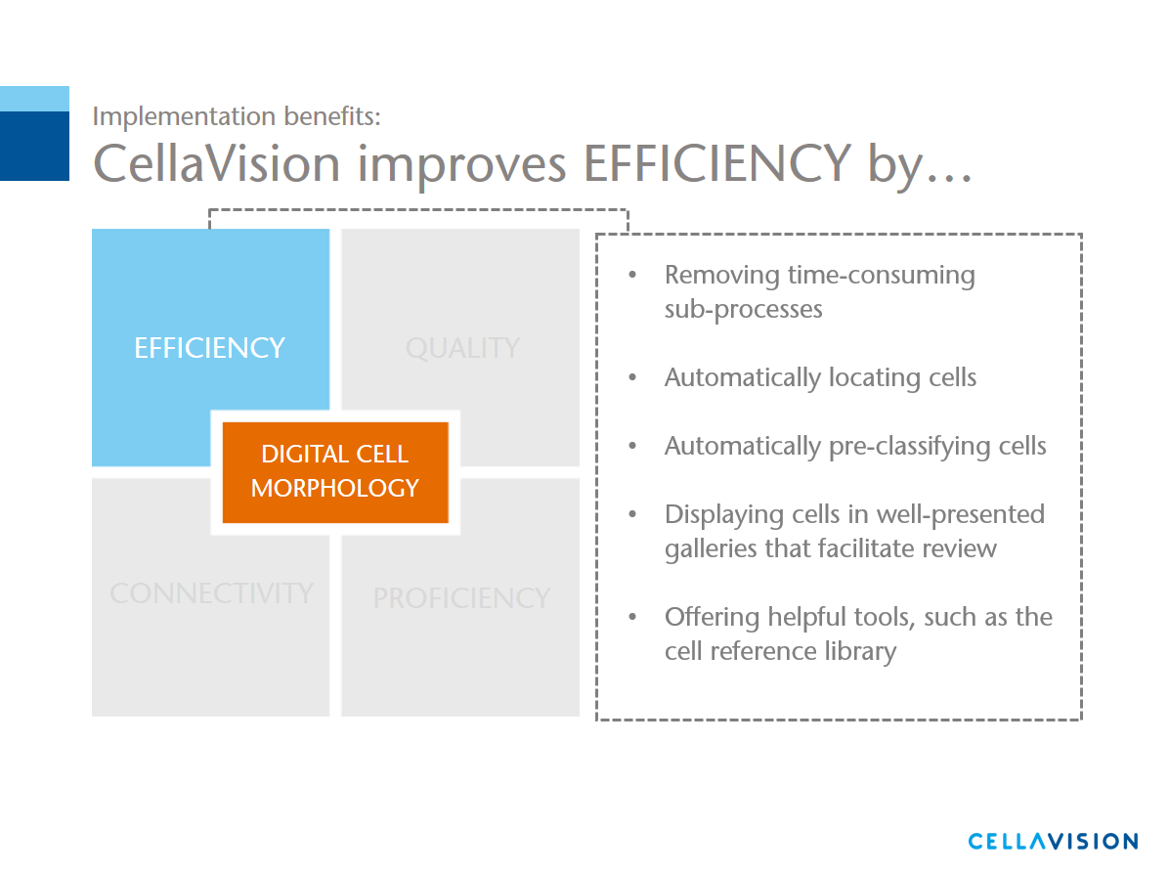

Back to Savings

Quality
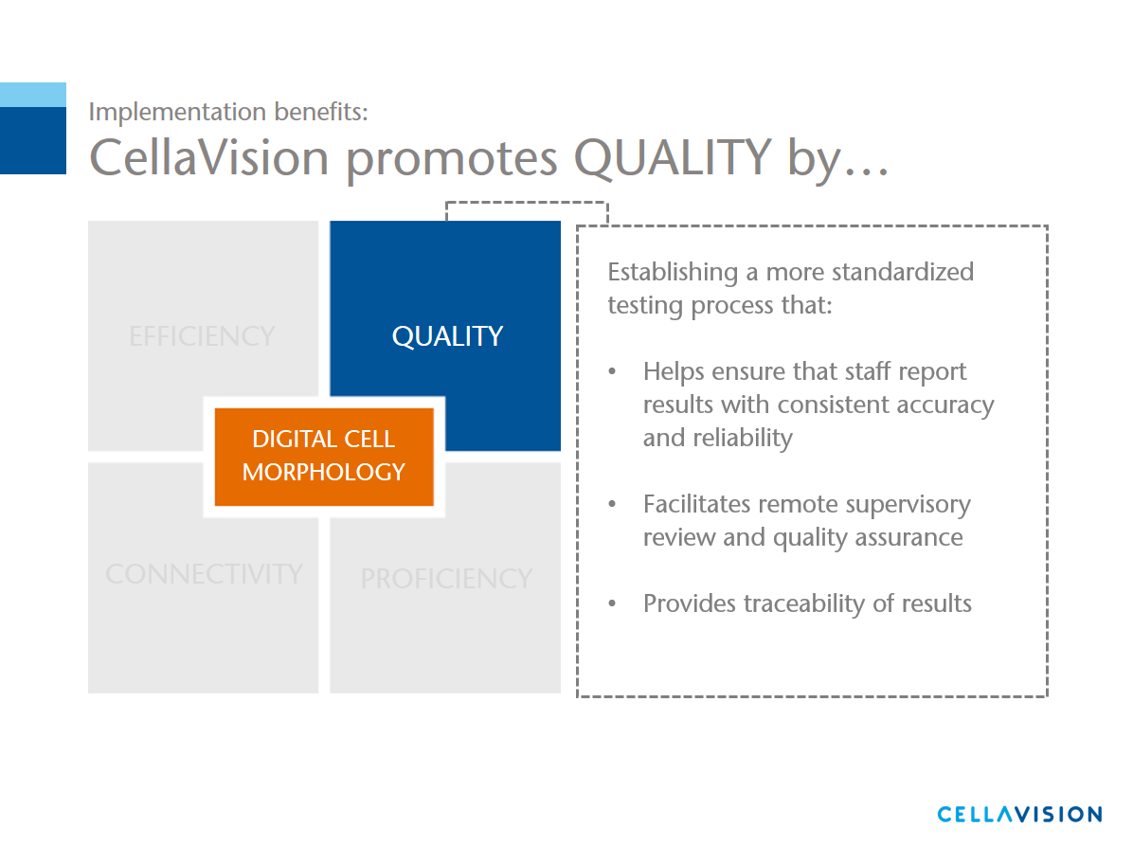

Back to Savings

Connectivity
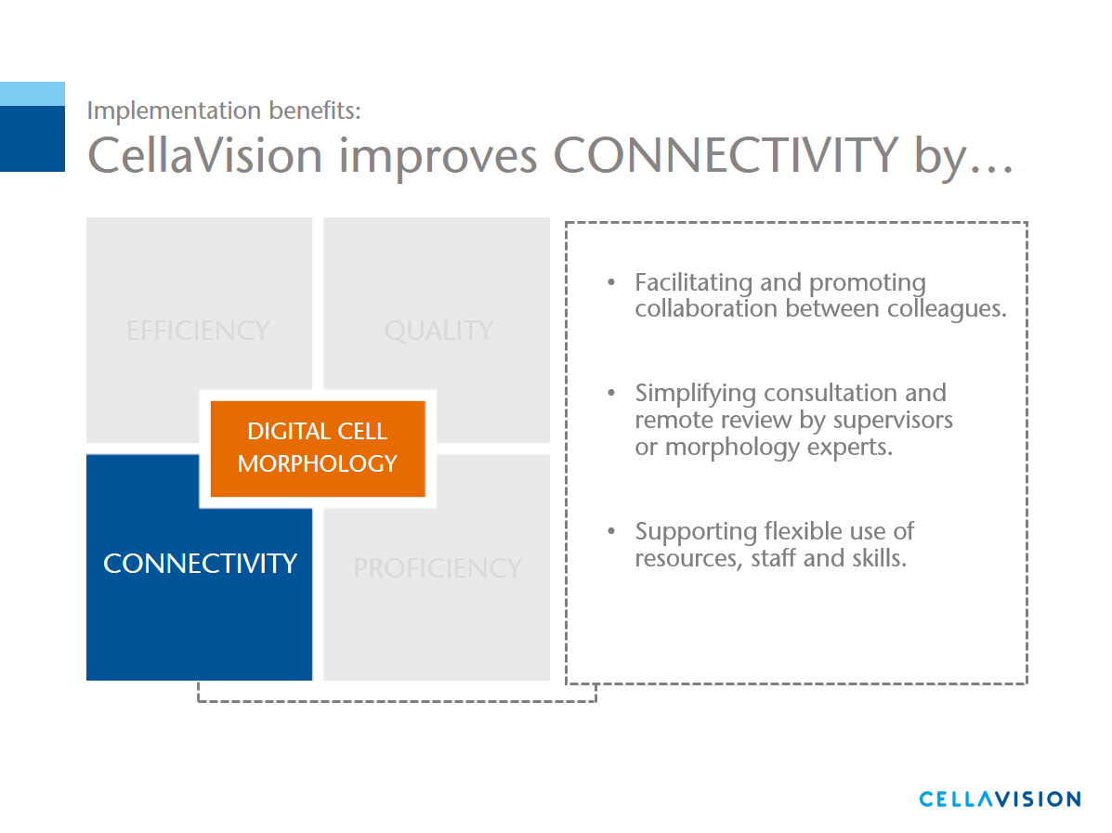

Back to Savings

Proficiency
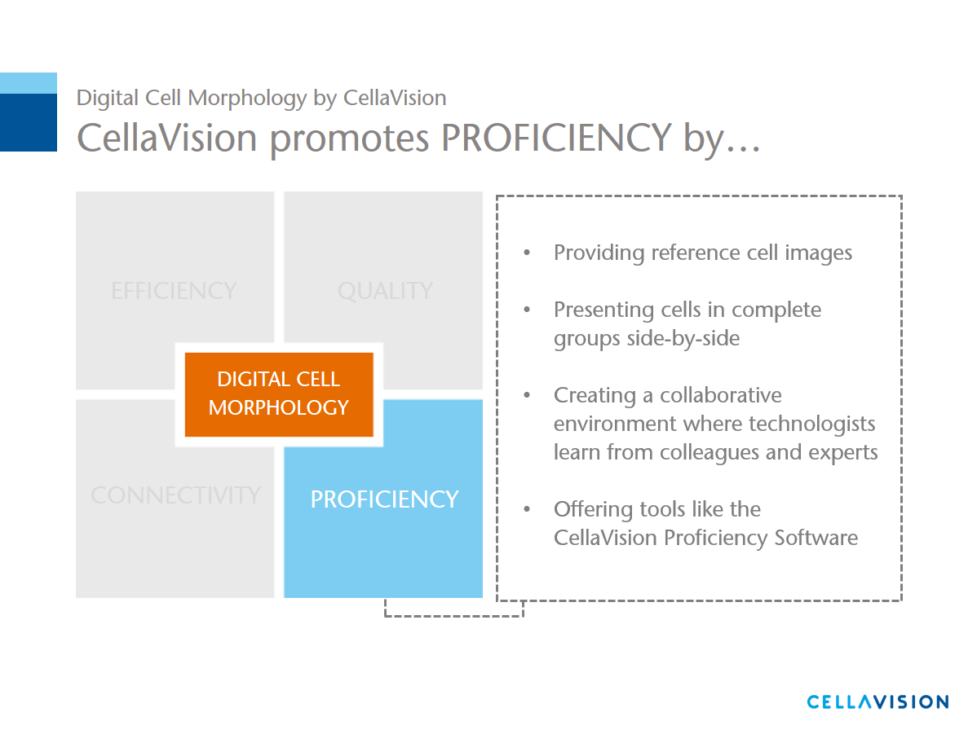

Back to Savings

Productivity Inprovment
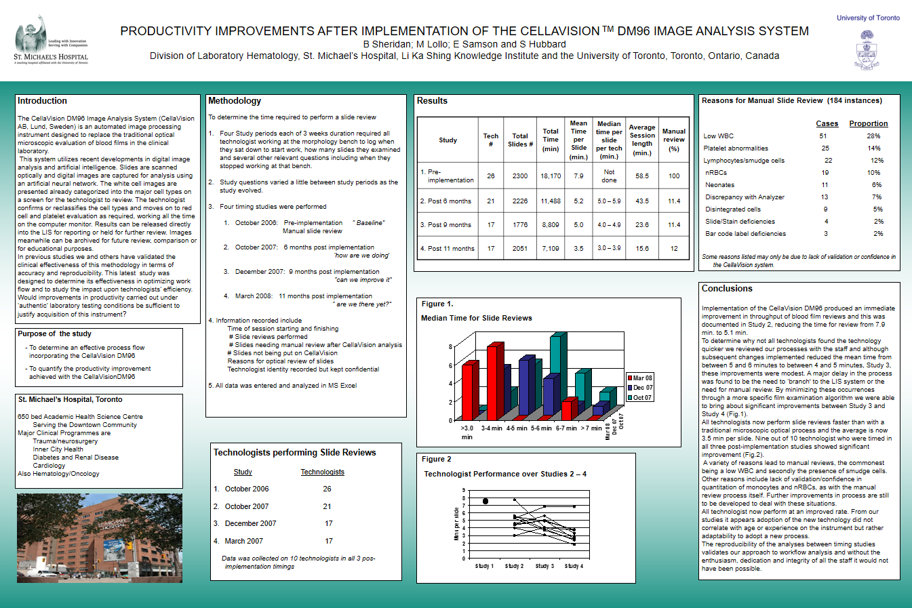

Back to Savings

